시트1
Project Name: | NextLevel Research Conference Management System
Test CaseID | T1.9
Test Case Description | System Admin create user
Created by: | Yechan Kim
Date of testing: | 13th October 2022
Actor: | System Admin
Pre-condition: | NIL

Test Step | Step Details | Test Data | Expected Results | Actual Results | Pass/Fail/Not executed/Suspended | Screenshots, if possible | Remarks
T1.9 - 1 | System Admin clicks on "Register user" button |  | The system will direct system admin into create user page. The user is directed to the create user page. | The system directs system admin into create user page. | Pass | 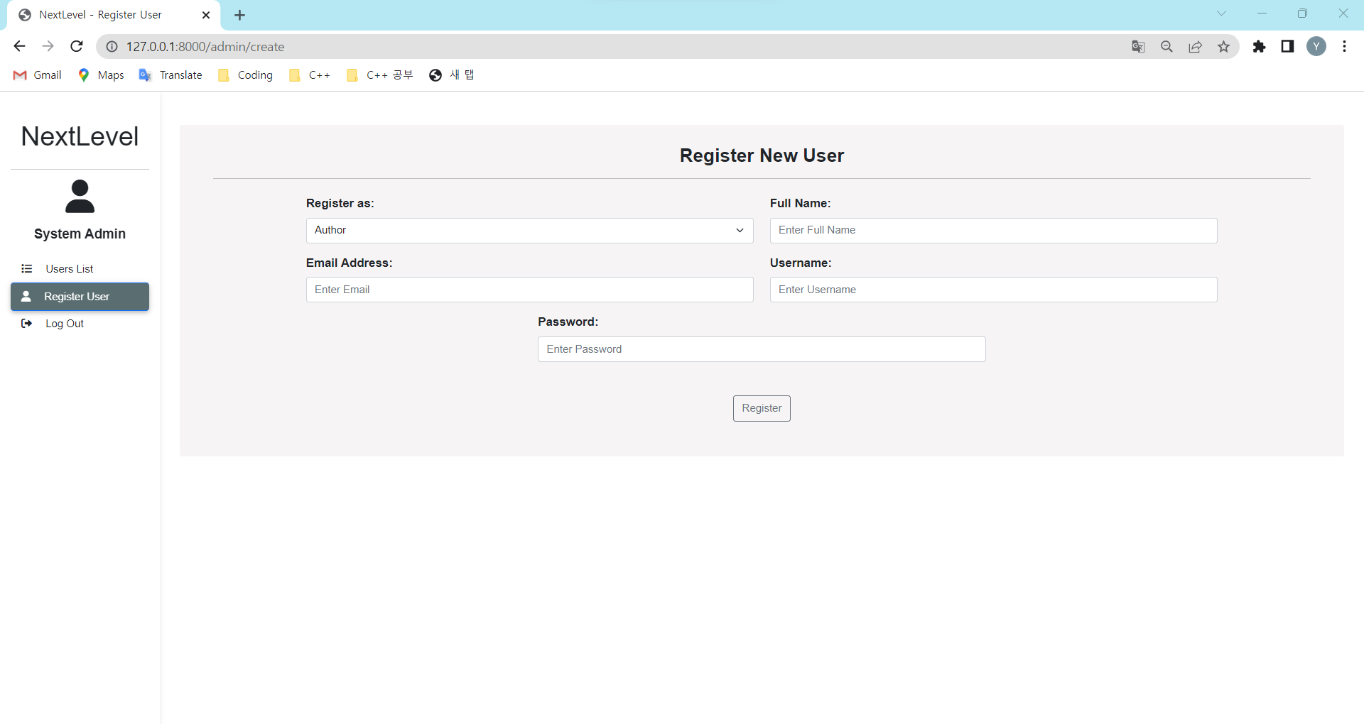
T1.9 - 2 | System Admin selectes user role. |  | The system will change the box for respective user role. The user should be able to see respective required details. | The system changes the box for respective user role. | Pass
T1.9 - 2.1 | If system admin picks author or conference chair for user role, system admin type in username, password, email, and full name | user (email, username, password), and author(name) or conference_chair(name) | The typed details should appear in the text box The user can key in the details of the user. | The typed details appears in the text box | Pass
T1.9 - 2.2 | If system admin picks reviewer for user role, system admin type in username, password, email, full name, and max paper | user (email, username, password), reviewer (maxPaper, name) | The typed details should appear in the text box The user can key in the details of the user. | The typed details appears in the text box | Pass |   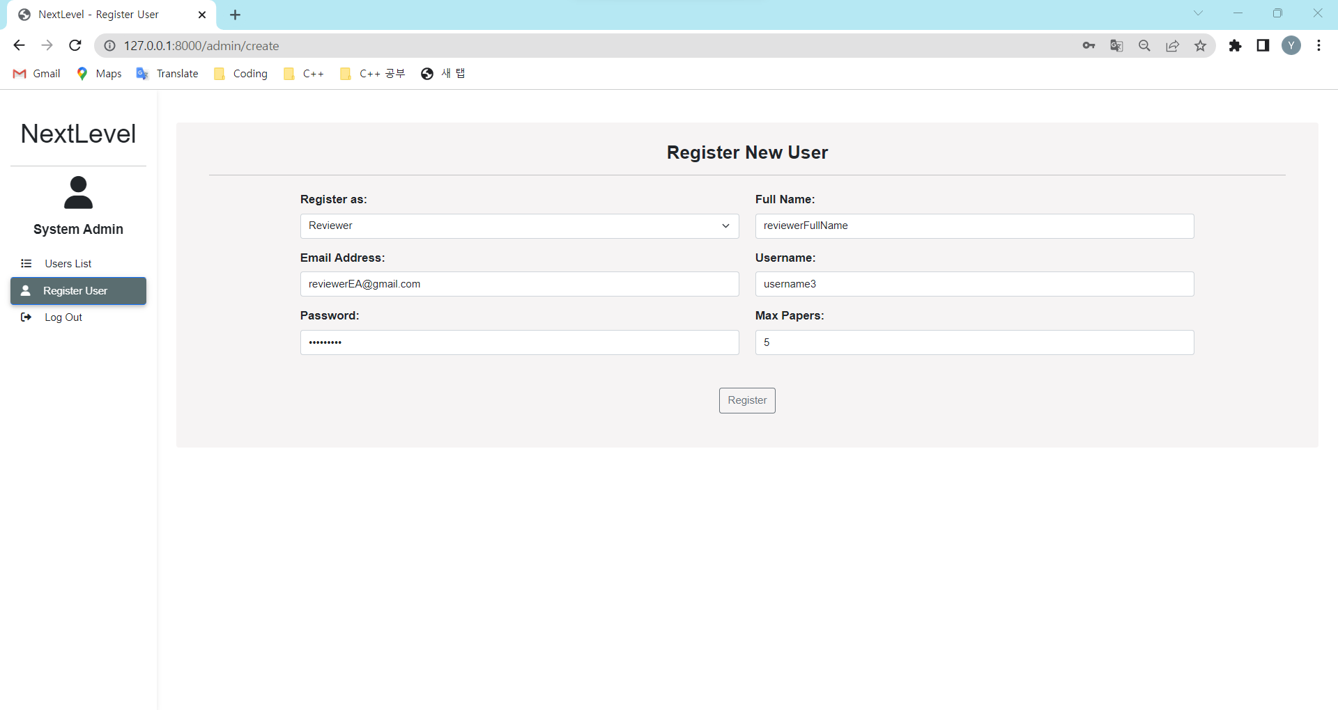
T1.9 - 2.3 | If system admin picks system admin for user role, system admin type in username, password, and email. | user (email, username, password) | The typed details should appear in the text box The user can key in the details of the user. | The typed details appears in the text box | Pass | 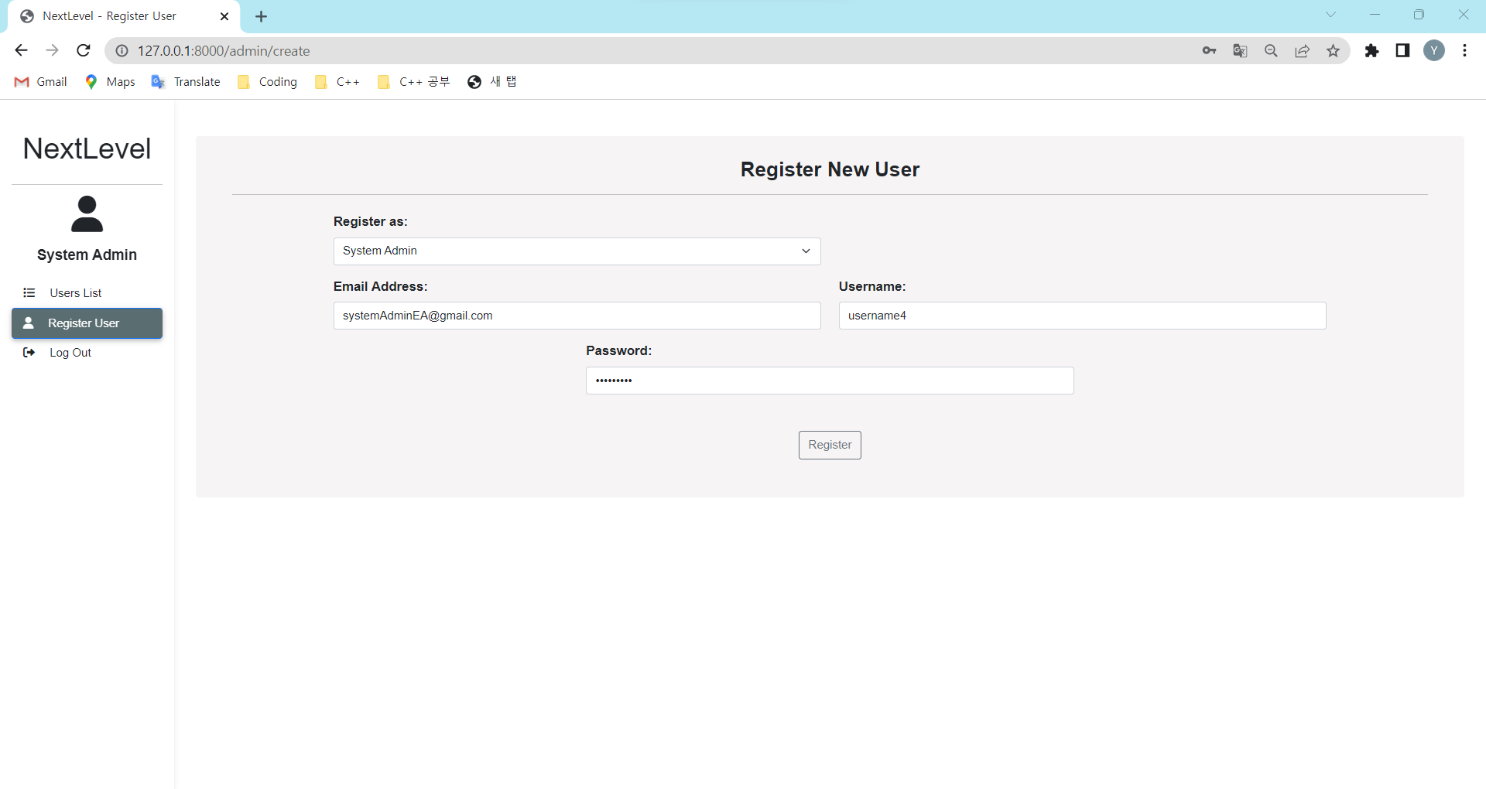
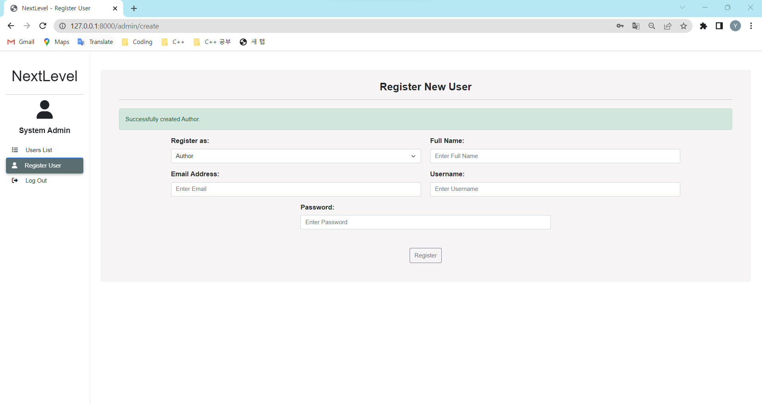
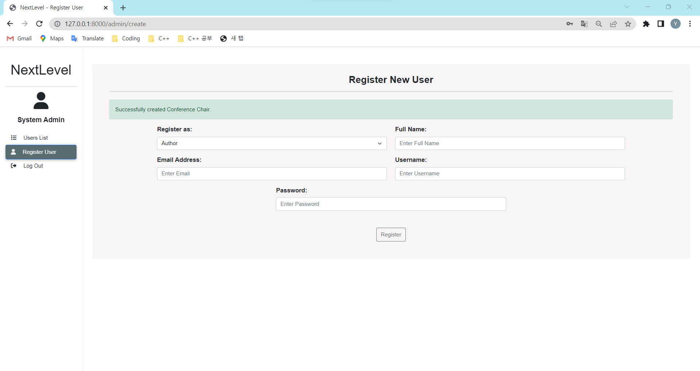

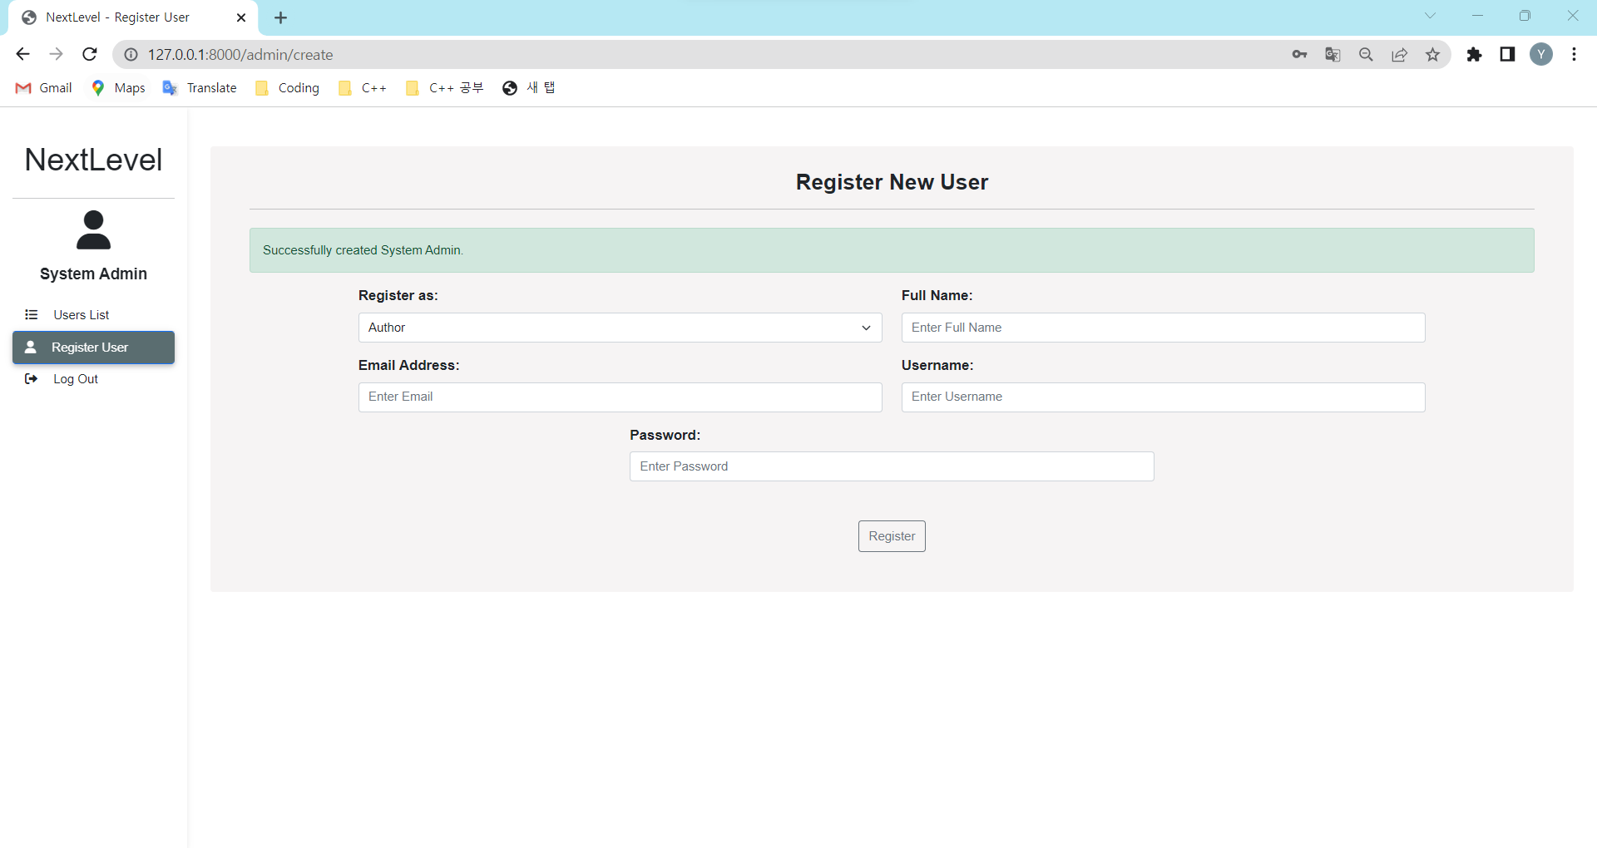
T1.9 - 3 | System admin clicks on "Submit" button |  | The system will upload the details with new data and display success message. The user will be see a success message. If the user returns back to user list, the new user should be listed. | The system uploads the details with new data and display success message. | Pass

